KNN_neighboors_comparision
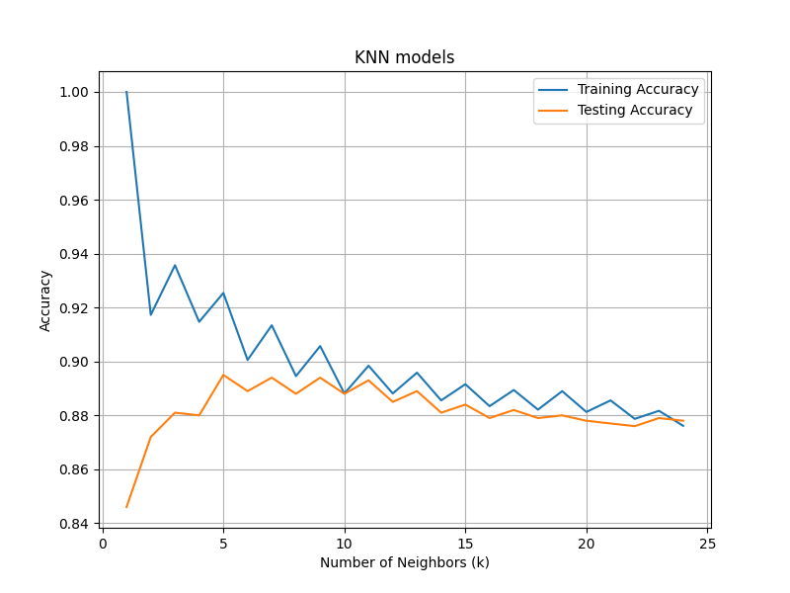
k | train_accuracy | test_accuracy
1 | 1 | 0.846
2 | 0.91727389627 | 0.872
3 | 0.93570510073 | 0.881
4 | 0.9147021003 | 0.88
5 | 0.92541791685 | 0.895
6 | 0.90055722246 | 0.889
7 | 0.91341620231 | 0.894
8 | 0.8945563652 | 0.888
9 | 0.9057008144 | 0.894
10 | 0.88812687527 | 0.888
11 | 0.89841405915 | 0.893
12 | 0.88812687527 | 0.885
13 | 0.89584226318 | 0.889
14 | 0.8855550793 | 0.881
15 | 0.89155593656 | 0.884
16 | 0.88341191599 | 0.879
17 | 0.88941277325 | 0.882
18 | 0.882126018 | 0.879
19 | 0.88898414059 | 0.88
20 | 0.88126875268 | 0.878
21 | 0.8855550793 | 0.877
22 | 0.87869695671 | 0.876
23 | 0.88169738534 | 0.879
24 | 0.87612516074 | 0.878

